Cover

Trent Company Analysis

About
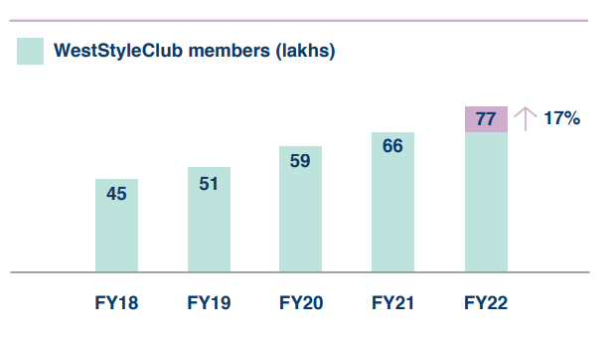
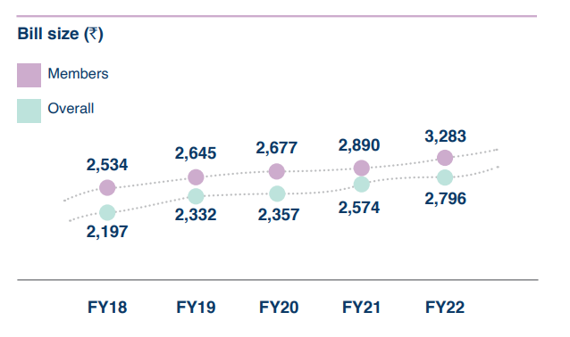
Trent Ltd

Sector of Trent | Retailing
Industry of Trent | Lifestyle Retail

About Trent Ltd:
Retailing of apparels, footwear, accessories, toys, games, food, grocery & non food products through various of its retail formats/ concepts.

Retail Stores
Westside (174 stores) - It offers branded fashion apparel, footwear and accessories for women, men and children, along with a wide range of home furnishings & decor.
Zudio (133 stores) - It is the company's value fashion concept and offers fashion at competitive prices for women, men and children.
Star Market (60 stores) - It is a hypermarket and supermarket store chain and offers various products including staples, beverages, health & beauty products, vegetables, fruits, dairy and non-vegetarian products, cleaning-aids, home care products, packaged foods, beverages and personal care products.
Zara & Massima Dutti (24 stores) - The company has 2 separate associations with Inditex Group wherein it holds 49% stake. One entity is engaged in operating 21 stores of Zara and other entity is engaged in operating 3 stores of Massimo Dutti in India.
Other Concepts (19 stores) - The other concepts of the co. with a smaller footprint includes Booker Wholesale, Value Mandi, Landmark and Utsa.
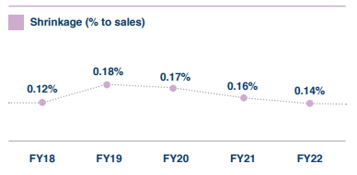
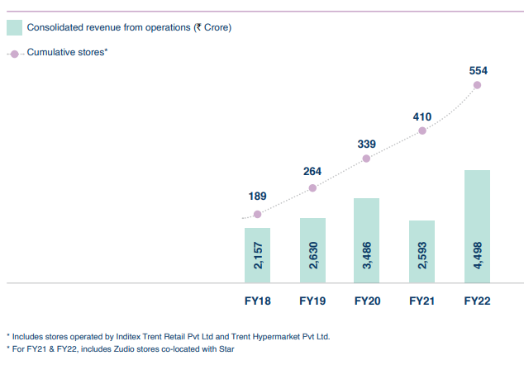

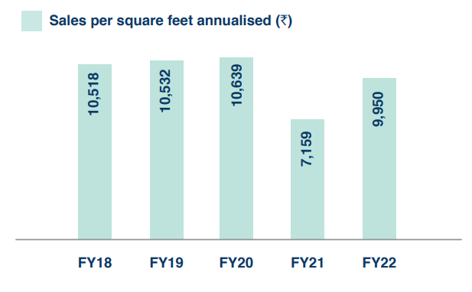

 |  | -

Narrative
Trent Narrative

Trent Ltd Products: Major Products include lifestyle retail stores like WestSide (flagship product), Zudio, Zara (which creates 34.91% of Trent's total value), Massimo Dutti and food/grocery retail business like Star Market and Booker India Ltd.
Market that Trent Ltd can grow in: Trent Ltd already has a big presence in lifestyle retail industry with WestSide and Zara. They can expand their food and grocery business (Star Market) which is loss making right now.
Competitive Advantages (Brand Name) - Trent Ltd already has a big brand association mainly from Zara and WestSide. But, I believe it's not a 'sustainable' competitve advantage especially for a lifestyle retail business which associates themselves with attractively priced lifestyle products. This would mean that there would be a potential price war between similar staged brands.
Potential Opportunity for Trent Ltd: Trent Ltd focuses heavily on being efficient in operations. This has refected in their 'Sales per square feet' which is maintained at Rs.10,500 even after expanding more retail stores across India and shrinkage (%) at 0.14%. Another big potential opportunity for Trent Ltd is WestSide Club Members which contribute to over 85% in sales. If they can create a strong networking effect in their member base, they can build a strong competitive advantage.
Nature of Product/Service: Lifestyle Products are somewhat discretionary in nature. During recessions, the industry will hit slightly.
The Customers: The Target Audience is Urban Middle Class Households. Lifestyle Products are tilted towards women's fashion.
The Customers Pain Points: Women like variety in their fashion closet especially for their Instagram Feed. They want clothes which look expensive but can be bought at an attractive price i.e. On Sale.
Pricing: An Average Bill Size from WestSide Club members is around Rs. 2,800.
Revenues to Profits: Trent Ltd biggest expenditure are their employee benefit expenses (people handling the rides, sweepers, security guards etc), cost for leasing assets, advertising and marketing expense, freight charges. They make about 15.58% Operating Profit Margin.
Competition: Competition comes from Metro Brands, V-Mart, Shoppers Stop, Future Lifstyle Fashions and V2 Retail. Some purely occasion fashion brands like Manyavar on a lesser extent.
How Much Capital Intensive?: Retail Business usually requires high capital expenditure like huge Leasing and Aquisition Cost. Trent Ltd has been efficient enough in their operations and making Rs. 2.19 of Sales for every Rs.1 of Invested Capital. If they follow this trend in the future, they would need to invest about Rs. 264 cr per annum for the next 10 years to increase their Return on Capital to 14.88%. Trent Ltd has reinvested 50% of their earnings in FY22 but as the company matures, it can reduce it's reinvestment rate to about 13% while maintaining a high Return on Capital.
Strengths and Weakness: Trent Ltd has a big brand name association with Zara and WestSide. They have good operational efficiency which is a lifeline for of a retail business. One of their weakness is Interest Coverage Ratio which is 2.04 in FY22 while another weakness is their Return on Capital (8.94%) is lower than Cost of Capital (11.08%) as of FY22.

Cost of Equity & Debt
Cost of Equity & Debt
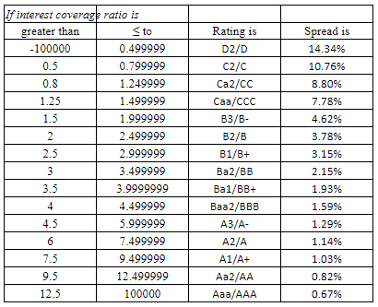
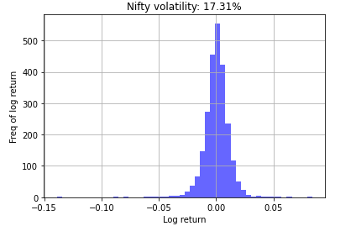
Cost of Equity

Risk Free Rate - Rf | 5.72%
Equity Risk Premium | 3.65%
Beta (Trent Ltd) | 1.63

Cost of Equity | 11.67%

(Cost of Equity = Risk Free Rate + Beta * Equity Risk Premium)

Pre-Tax Cost of Debt

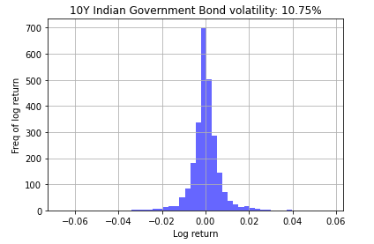
US Risk Free Rate - Rf | 3.21%
Lambda (λ) | 1.61
India's Default Spread | 1.87%
Trent Ltd Risk Premium | 2.15%

Cost of Debt | 8.38%

(Cost of Debt = Rf + λ* India's Default Spread + Co. Risk Premium) |  | "Synthetic" Trent Ltd Risk Premium
 |  |  | 2018 | 2019 | 2020 | 2021 | 2022
Source: |  | EBT | 169.3 | 180.1 | 195.4 | (132.5) | 133.5
10 Year Bond Yield Historical Data (Investing.com) |  | Interest | 30.6 | 36.8 | 245.8 | 248.7 | 304.7
ICR Synthetic Rating |  | EBIT | 199.9 | 216.9 | 441.2 | 116.2 | 438.3
Standard Deviation with Python |  | ICR (%) | 6.5 | 5.9 | 1.8 | 0.5 | 1.4
 |  | Average ICR (%) |  |  |  |  | 3.2

WACC
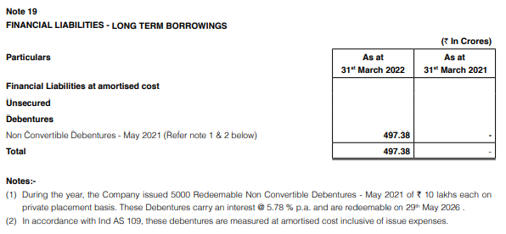
WACC

Cost of Capital |  | Book Value of Debt | (in crores)

Cost of Equity | 11.67% | Non Convertible Debentures | ₹ 497.38
Market Value of Equity | ₹ 37,107.1 | Long Term Financial Lease | ₹ 4,126.01
 |  | Short Term Financial Lease | ₹ 101.97
Cost of Debt | 8.38% | Operating Lease * | ₹ 359.72
Market Value of Debt | ₹ 4,606.1 | Book Value of Debt | ₹ 5,085.08
 |  | Total Equity | ₹ 2,364.00
Marginal Corporate Tax Rate (%) | 25.17%
 |  | Debt to Equity (Trent Ltd) | 2.15

WACC | 11.08%
 |  | Market Value of Debt | (in crores)

Source: |  | Book Value of Debt | ₹ 5,085.08
Annual Report 2022 (Trent Ltd) |  | Interest Expense | ₹ 304.74
 |  | Cost of Debt | 8.38%
 |  | Average Maturity of Debt (Yrs) | 5

 |  | Est. Market Value of Debt | ₹ 4,606.14

 |  | Market Value of Equity | (in crores)

 |  | Stock Price (as on 06/17/2022) | ₹ 1,043.80
 |  | Number of Shares Outstanding | 35.55
 |  | Market Capitalization | ₹ 37,107.1

EBIT & Operating Lease
 | EBIT & Operating Lease
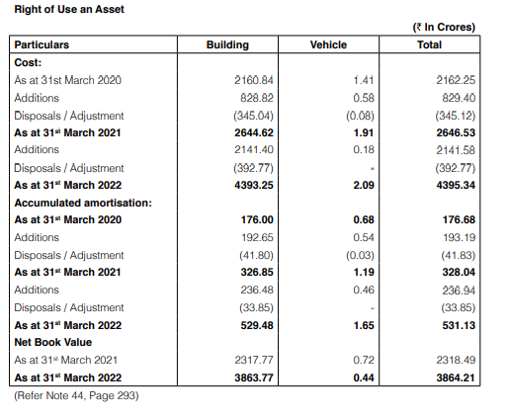

 | Adjusted EBIT (Operating Lease)
 |  | (in crores)
 | Revenues (TTM) | ₹ 4,673.23
- | COGS | ₹ -2,880.49
- | Operating Expenses | ₹ -1,043.66
- | D&A | ₹ -311.55
- | Exceptional Items | ₹ -27.44
 | EBIT | ₹ 410.09
+ | Operating Lease | ₹ 359.72
 | EBIT & Lease | ₹ 769.81
- | Depreciation of OL | ₹ 41.77
 | Adjusted EBIT | ₹ 728.04

 | Depreciation on Operating Lease
 |  | (in crores)
 | Additional Right of Use Asset (2022) | ₹ 1,748.81
 | D&A on Additional ROU (2022) | ₹ 203.09
 | Expected Life of Leased Asset (Yrs) | 9

 | Operating Lease | ₹ 359.72
 | Depreciation of OL | ₹ 41.77

 | Total Debt | ₹ 4,587.70

Net CapEx
 | Net CapEx
 |  | (in crores)
 | Capital Expenditures (CapEx) | ₹ 270.92
- | D&A | ₹ -311.55
 | Net CapEx | ₹ -40.63
+ | Aquistion of Companies | ₹ 66.27
+ | Advertising Expense (Current Year) | ₹ 113.11
- | Amortization Asset | ₹ -50.16
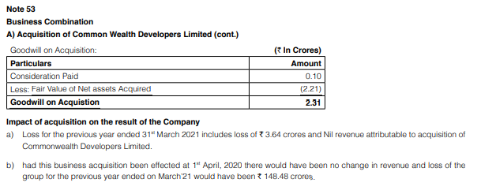
 | Adjusted Net Capital Expenditures | ₹ 88.59

Future Cashflows (10 Yrs)
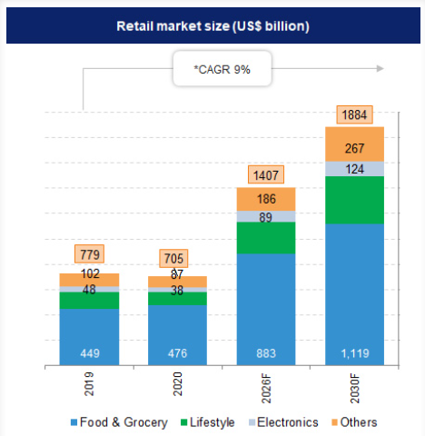
Future Cash Flows (10 Yrs)

 | Retail Ind | Lifestyle | SuperMarket | Gross Industry | Revenues | Rev. Growth | Op. Margin | EBIT | EBIT*(1-t)
LTM | ₹ 5,977,056 | ₹ 896,558 | ₹ 4,004,628 | ₹ 1,341,497 | ₹ 4,673.23 |  | 16.93% | ₹ 790.99 | ₹ 611.12
1 | ₹ 6,471,956 | ₹ 1,003,153 | ₹ 4,255,311 | ₹ 1,468,719 | ₹ 5,374.21 | 15.00% | 17.00% | ₹ 913.62 | ₹ 705.86
2 | ₹ 7,007,834 | ₹ 1,121,253 | ₹ 4,520,053 | ₹ 1,607,811 | ₹ 6,019.12 | 12.00% | 17.00% | ₹ 1,023.25 | ₹ 785.45
3 | ₹ 7,588,083 | ₹ 1,252,034 | ₹ 4,799,462 | ₹ 1,759,869 | ₹ 6,741.41 | 12.00% | 18.00% | ₹ 1,213.45 | ₹ 928.41
4 | ₹ 8,216,376 | ₹ 1,396,784 | ₹ 5,094,153 | ₹ 1,926,084 | ₹ 7,348.14 | 9.00% | 18.00% | ₹ 1,322.67 | ₹ 1,008.66
5 | ₹ 8,896,692 | ₹ 1,601,405 | ₹ 5,426,982 | ₹ 2,149,058 | ₹ 8,009.47 | 9.00% | 18.00% | ₹ 1,441.71 | ₹ 1,095.84
6 | ₹ 9,633,338 | ₹ 1,830,334 | ₹ 5,780,003 | ₹ 2,395,752 | ₹ 8,570.14 | 7.00% | 18.00% | ₹ 1,542.62 | ₹ 1,168.69
7 | ₹ 10,430,979 | ₹ 2,034,041 | ₹ 6,206,432 | ₹ 2,631,343 | ₹ 9,084.35 | 6.00% | 18.00% | ₹ 1,635.18 | ₹ 1,234.73
8 | ₹ 11,294,664 | ₹ 2,258,933 | ₹ 6,663,852 | ₹ 2,889,522 | ₹ 9,584.74 | 5.51% | 18.00% | ₹ 1,725.25 | ₹ 1,294.98
9 | ₹ 12,229,862 | ₹ 2,445,972 | ₹ 7,215,618 | ₹ 3,128,775 | ₹ 10,063.98 | 5.00% | 18.00% | ₹ 1,811.52 | ₹ 1,355.56
10 | ₹ 13,242,494 | ₹ 2,648,499 | ₹ 7,813,072 | ₹ 3,387,837 | ₹ 10,466.54 | 4.00% | 18.00% | ₹ 1,883.98 | ₹ 1,409.78

 | Change in Sales | Sales to Capital | Reinvestment | FCFF | Invested Capital | ROIC
LTM |  |  |  | ₹ 302.52 | ₹ 6,836.38 | 8.94%
1 | ₹ 700.98 | 2.19 | ₹ 319.52 | ₹ 386.34 | ₹ 7,155.90 | 9.86%
2 | ₹ 644.91 | 2.19 | ₹ 293.95 | ₹ 491.49 | ₹ 7,449.85 | 10.54%
3 | ₹ 722.29 | 2.19 | ₹ 329.23 | ₹ 599.19 | ₹ 7,779.08 | 11.93%
4 | ₹ 606.73 | 2.19 | ₹ 276.55 | ₹ 732.11 | ₹ 8,055.63 | 12.52%
5 | ₹ 661.33 | 2.19 | ₹ 301.44 | ₹ 794.40 | ₹ 8,357.07 | 13.11%
6 | ₹ 560.66 | 2.19 | ₹ 255.56 | ₹ 913.14 | ₹ 8,612.63 | 13.57% |  |  |  | Growth Rate | 8%
7 | ₹ 514.21 | 2.19 | ₹ 234.38 | ₹ 1,000.35 | ₹ 8,847.01 | 13.96% |  |  |  | Lifestyle % of Retail | 15%
8 | ₹ 500.39 | 2.19 | ₹ 228.08 | ₹ 1,066.89 | ₹ 9,075.09 | 14.27% |  |  |  | Grocery % of Retail | 67%
9 | ₹ 479.24 | 2.19 | ₹ 218.44 | ₹ 1,137.12 | ₹ 9,293.53 | 14.59% |  |  |  | Market Share (%) | 1%
10 | ₹ 402.56 | 2.19 | ₹ 183.49 | ₹ 1,226.29 | ₹ 9,477.02 | 14.88% |  |  |  | Marginal Corporate Tax Rate (%) | 25.17%
 |  |  |  |  |  |  |  |  |  | Effective Tax Rate (Trent Ltd) | 22.74%

Value of Cross Holdings
Value of Cross Holdings
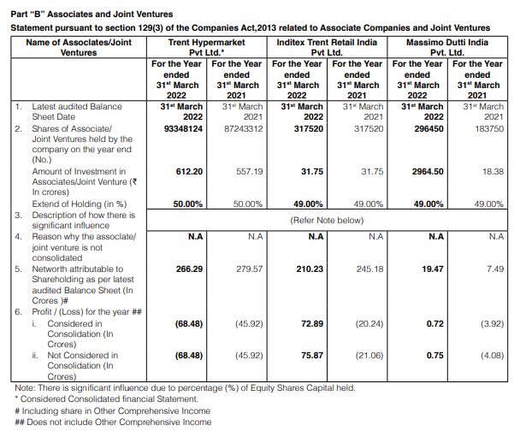

Do Nothing! It's already 100% part of the company.
Cross Holdings | Holding Type | % Owner | How to Deal? | Value of Equity
Fiora Business Support Services Limited | Fully Owned | 100% |  | ₹ -
Nahar Retail Trading Services Limited | Fully Owned | 100% |  | ₹ -
Trent Global Holdings Limited | Fully Owned | 100% |  | ₹ -
Common Wealth Developers Limited (CWDL) | Fully Owned | 100% |  | ₹ -

Value Company and Substract Non Owner.
Trent Hypermarket Private Limited | Majority Active | 50% |  | ₹ -324.13

Not Consolidated in Financial Statements so value each company and add ownership stake.
Massimo Dutti India Private Limited | Minority Active | 49% |  | ₹ 162.49
Inditex Trent Retail India Private Limited | Minority Active | 49% |  | ₹ 9,045.97
Booker India Limited | Minority Active | 49% |  | ₹ 1,882.94
Fiora Hypermarket Limited | Minority Passive | 49.00% |  | ₹ -
Fiora Online Limited | Minority Passive | 58.00% |  | ₹ -
Booker Satnam Wholesale Limited | Minority Passive | 49.00% |  | ₹ 10,767.27

Trent HyperMarket Pvt Ltd
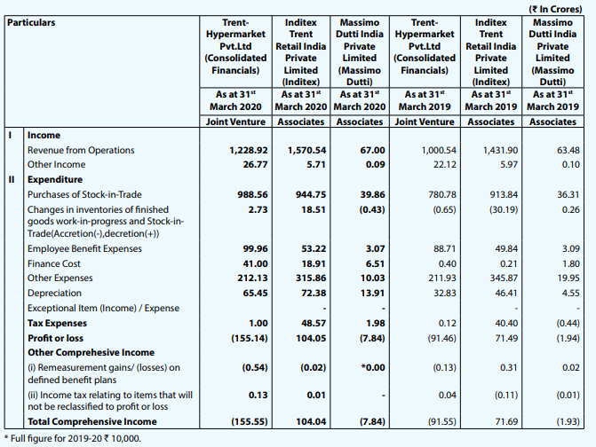
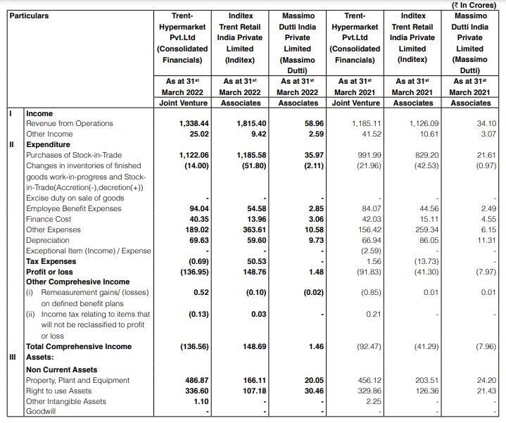
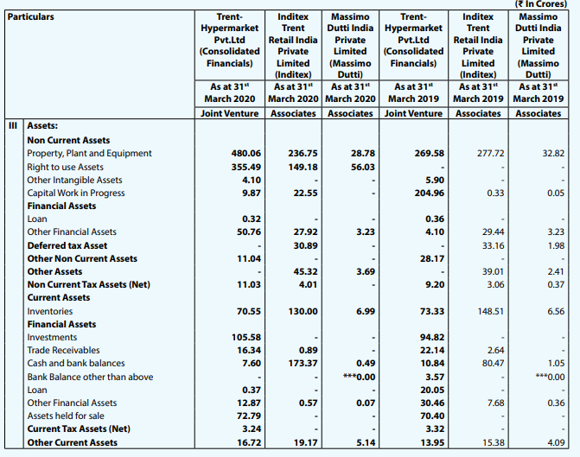
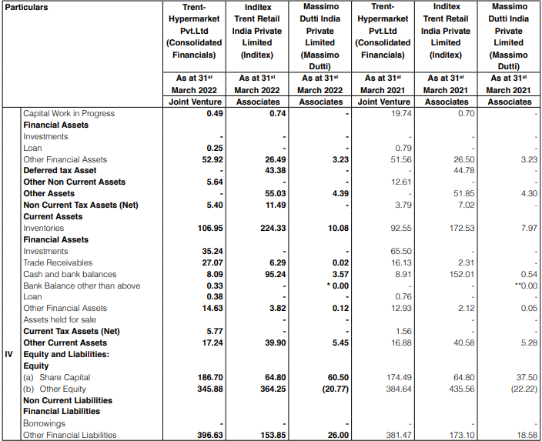
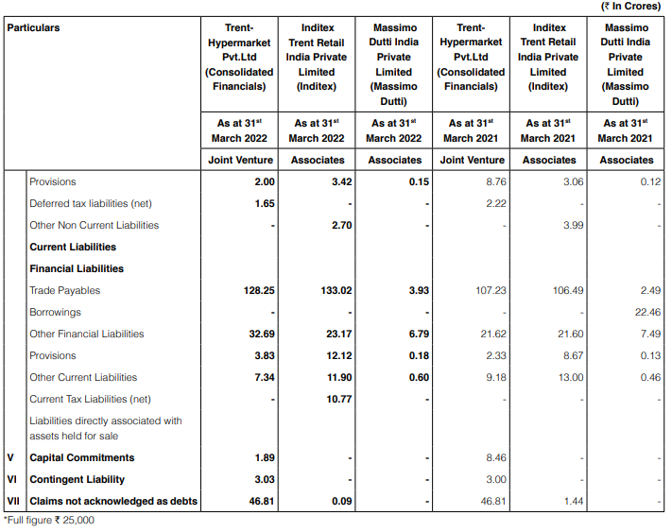
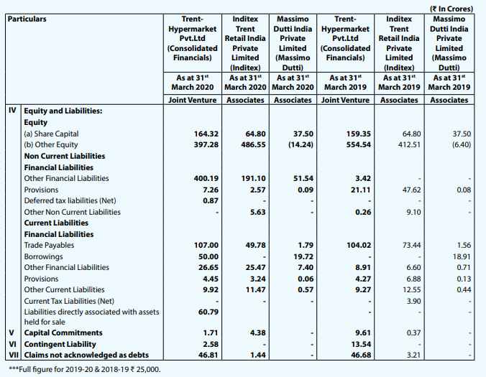
 | Trent Hypermarket Private Limited - 50%

 | Risk Free Rate | 5.72% |  | SuperMarket | Revenues | Rev. Growth | Op. Margin | EBIT | EBIT*(1-t) | Sales to Cap | Reinvestment | FCFF
 | Equity Risk Premium | 3.65% | LTM | ₹ 50,390.70 | ₹ 1,338.44 |  | -7.27% | -₹ 97.29 | -₹ 97.29 | 1.46
 | Beta | 0.94 | 1 | ₹ 53,901.13 | ₹ 1,873.82 | 40.00% | -5.00% | -₹ 93.69 | -₹ 93.69 | 1.46 | ₹ 367.22 | -₹ 460.91
 | Cost of Equity | 9.15% | 2 | ₹ 57,635.27 | ₹ 2,435.96 | 30.00% | -3.00% | -₹ 73.08 | -₹ 73.08 | 1.46 | ₹ 385.59 | -₹ 458.66
 | US Risk Free Rate - Rf | 3.21% | 3 | ₹ 61,604.95 | ₹ 3,044.95 | 25.00% | -1.00% | -₹ 30.45 | -₹ 30.45 | 1.46 | ₹ 417.72 | -₹ 448.17
 | Lambda (λ) | 1.61 | 4 | ₹ 65,822.33 | ₹ 3,806.19 | 25.00% | 2.00% | ₹ 76.12 | ₹ 76.12 | 1.46 | ₹ 522.15 | -₹ 446.02
 | India's Default Spread | 1.87% | 5 | ₹ 70,589.14 | ₹ 4,567.43 | 20.00% | 3.00% | ₹ 137.02 | ₹ 137.02 | 1.46 | ₹ 522.15 | -₹ 385.12
 | Trent Hypermarket Risk Premium | 14.34% | 6 | ₹ 75,680.82 | ₹ 5,480.91 | 20.00% | 5.00% | ₹ 274.05 | ₹ 274.05 | 1.46 | ₹ 626.58 | -₹ 352.53
 | Cost of Debt | 20.57% | 7 | ₹ 81,804.66 | ₹ 6,303.05 | 15.00% | 5.00% | ₹ 315.15 | ₹ 254.31 | 1.46 | ₹ 563.92 | -₹ 309.61
 | Book Value of Debt | ₹ 429.32 | 8 | ₹ 88,417.78 | ₹ 7,059.41 | 12.00% | 7.00% | ₹ 494.16 | ₹ 369.78 | 1.46 | ₹ 518.80 | -₹ 149.03
 | Book Value of Equity | ₹ 532.58 | 9 | ₹ 96,375.38 | ₹ 7,553.57 | 7.00% | 8.00% | ₹ 604.29 | ₹ 452.19 | 1.46 | ₹ 338.95 | ₹ 113.23
 | WACC | 11.93% | 10 | ₹ 105,049.16 | ₹ 7,878.69 | 4.30% | 8.00% | ₹ 630.29 | ₹ 471.65 | 1.46 | ₹ 223.00 | ₹ 248.65
 | Losses Carry Forward | ₹ -611.25
 | Interest | ₹ 41.19 |  | Inv. Capital | ROIC |  | Mature WACC |  |  | Terminal Value Calculation
 | EBIT | ₹ -97.29 | LTM | ₹ 918.06 | -10.60% |  | Cost of Equity | 8.39% |  | Growth Rate | 4.00%
 | ICR | -2.36 | 1 | ₹ 1,285.28 | -7.29% |  | Cost of Debt | 9.38% |  | ROIC | 8.73%
 | Book Value of Debt | ₹ 429.32 | 2 | ₹ 1,670.87 | -4.37% |  |  |  |  | Reinv. Rate | 45.83%
 | Interest Expense | ₹ 41.19 | 3 | ₹ 2,088.59 | -1.46% |  | % Debt | 10%
 | Cost of Debt | 20.57% | 4 | ₹ 2,610.73 | 2.92% |  | % Equity | 90% |  | EBIT (11th Year) | ₹ 655.51
 | Average Maturity of Debt (Yrs) | 5 | 5 | ₹ 3,132.88 | 4.37% |  |  |  |  | Marginal Tax Rate | 25.17%
 | Est. Market Value of Debt | ₹ 290.20 | 6 | ₹ 3,759.46 | 7.29% |  | Mature Beta | 0.73 |  | EBIT * (1 - t) | ₹ 490.52
 | Present Value of FCFF | ₹ -1,882.92 | 7 | ₹ 4,323.37 | 5.88% |  | Risk Premium | 3.15%
+ | Present Value of TV | ₹ 2,829.26 | 8 | ₹ 4,842.18 | 7.64% |  |  |  |  | FCFF (11th Year) | ₹ 265.70
+ | Cash & Marketable Securities | ₹ 43.84 | 9 | ₹ 5,181.13 | 8.73% |  | Mature WACC | 8.25%
+ | Other Assets | ₹ - | 10 | ₹ 5,404.13 | 8.73% |  |  |  |  | Terminal Value | ₹ 6,251.27
 | Value of Firm | ₹ 990.18
- | Debt | ₹ 341.93
 | Value of Equity | ₹ 648.26

Sensitivity Analysis
 | Sensitivity Analysis

 | Value Drivers
 | Revenue Growth (CAGR) | 8.4% |  |  |  | Marginal Corporate Tax Rate (%) | 25.17%
 | WACC | 8.83% |  |  |  | Effective Tax Rate (Trent Ltd) | 22.74%
 | Growth Rate in Perpetuity | 4.00%
 | Sales to Cap Ratio | 2.19
 | OPM | 17.8%

 | Discounting Future Cash Flows to Present Value
 |  | 1 | 2 | 3 | 4 | 5 | 6 | 7 | 8 | 9 | 10 | TV
 | Revenues | ₹ 5,065.78 | ₹ 5,491.31 | ₹ 5,952.58 | ₹ 6,452.59 | ₹ 6,994.61 | ₹ 7,582.16 | ₹ 8,219.06 | ₹ 8,909.46 | ₹ 9,657.86 | ₹ 10,469.12 | ₹ 11,348.52
 | Revenue Growth | 8.40% | 8.40% | 8.40% | 8.40% | 8.40% | 8.40% | 8.40% | 8.40% | 8.40% | 8.40% | 8.40%
 | OPM | 17.80% | 17.80% | 17.80% | 17.80% | 17.80% | 17.80% | 17.80% | 17.80% | 17.80% | 17.80% | 17.80%
 | EBIT (1 - Tax) | ₹ 696.66 | ₹ 750.29 | ₹ 810.67 | ₹ 875.89 | ₹ 946.36 | ₹ 1,022.48 | ₹ 1,104.71 | ₹ 1,190.36 | ₹ 1,286.40 | ₹ 1,394.46 | ₹ 1,511.59
 | Sales to Cap | 2.19 | 2.19 | 2.19 | 2.19 | 2.19 | 2.19 | 2.19 | 2.19 | 2.19 | 2.19 | 2.19
 | Reinvestment | ₹ 178.93 | ₹ 193.96 | ₹ 210.25 | ₹ 227.91 | ₹ 247.06 | ₹ 267.81 | ₹ 290.31 | ₹ 314.69 | ₹ 341.13 | ₹ 369.78 | ₹ 400.84
 | Free Cash Flows to Firm | ₹ 517.73 | ₹ 556.33 | ₹ 600.42 | ₹ 647.98 | ₹ 699.30 | ₹ 754.67 | ₹ 814.40 | ₹ 875.67 | ₹ 945.28 | ₹ 1,024.68 | ₹ 1,110.75
 | Discount Rate (WACC) | 8.83% | 8.83% | 8.83% | 8.83% | 8.83% | 8.83% | 8.83% | 8.83% | 8.83% | 8.83% | 8.83%
 | Present Value of Cash Flows | ₹ 475.75 | ₹ 469.76 | ₹ 465.87 | ₹ 462.01 | ₹ 458.16 | ₹ 454.34 | ₹ 450.54 | ₹ 445.16 | ₹ 441.57 | ₹ 439.85 | ₹ 476.79

 | Present Vaue of FCFF | ₹ 4,563.01
 | Terminal Value | ₹ 23,020.77 |  |  | Revenue Growth CAGR
 | Present Value of TV | ₹ 9,881.73 |  | 8.40% | 10.5% | 10.0% | 9.5% | 9.0% | 8.5% | 8.0% | 7.5% | 7.0% | 6.5%
 | Value of Operating Assets | ₹ 14,444.74 |  | ₹ 592.53 | ₹ 632.69 | ₹ 622.95 | ₹ 613.32 | ₹ 603.80 | ₹ 594.40 | ₹ 585.12 | ₹ 575.98 | ₹ 566.98 | ₹ 558.11
+ | Cash & Marketable Securities | ₹ 599.61
+ | Value of Cross Holdings | ₹ 10,767.27 |  |  | WACC
+ | Value of Other Assets | ₹ - |  | 8.83% | 11.08% | 10.8% | 10.4% | 10.1% | 9.8% | 9.5% | 9.1% | 8.8% | 8.5%
 | Value of Firm | ₹ 25,811.62 |  | ₹ 592.53 | ₹ 455.55 | ₹ 469.46 | ₹ 484.79 | ₹ 501.77 | ₹ 520.66 | ₹ 541.83 | ₹ 565.68 | ₹ 592.76 | ₹ 623.76
- | Value of Debt | ₹ 4,747.79
 | Value of Equity | ₹ 21,063.83 |  |  | Sales to Cap
- | Value of Equity Options | ₹ - |  | 2.19 | 3 | 2.5 | 2.25 | 2 | 1.75 | 1.5 | 1.25 | 1 | 0.75
 | Value of Common Stock | ₹ 21,063.83 |  | ₹ 592.53 | ₹ 631.70 | ₹ 610.38 | ₹ 596.17 | ₹ 578.40 | ₹ 555.56 | ₹ 525.10 | ₹ 482.47 | ₹ 418.51 | ₹ 311.91
 | Number of Shares Outstanding | 35.55
 | Fair value of share | ₹ 592.53 |  |  | OPM
 |  |  |  | 17.8% | 15.00% | 16.0% | 17.0% | 18.0% | 19.0% | 20.0% | 21.0% | 22.0% | 23.0%
 |  |  |  | ₹ 592.53 | ₹ 505.69 | ₹ 536.70 | ₹ 567.72 | ₹ 598.74 | ₹ 629.75 | ₹ 660.77 | ₹ 691.79 | ₹ 722.80 | ₹ 753.82

Revenue Growth Affect Price
WACC Affect Price
Sales to Cap Affect Price
OPM Affect Price

 |  |  |  |  |  | Revenue Growth CAGR
 |  |  |  |  | ₹ 592.53 | 10.5% | 10.0% | 9.5% | 9.0% | 8.5% | 8.0% | 7.5% | 7.0% | 6.5%
 |  |  |  | S/C | 3.50 | ₹ 712.52 | ₹ 696.13 | ₹ 680.23 | ₹ 664.81 | ₹ 649.86 | ₹ 635.37 | ₹ 621.33 | ₹ 607.71 | ₹ 594.53
 |  |  |  |  | 3.25 | ₹ 702.2 | ₹ 686.7 | ₹ 671.6 | ₹ 656.9 | ₹ 642.7 | ₹ 628.9 | ₹ 615.5 | ₹ 602.5 | ₹ 589.8
 |  |  |  |  | 3 | ₹ 690.2 | ₹ 675.6 | ₹ 661.5 | ₹ 647.7 | ₹ 634.3 | ₹ 621.3 | ₹ 608.6 | ₹ 596.3 | ₹ 584.3
 |  |  |  |  | 2.5 | ₹ 658.9 | ₹ 647.0 | ₹ 635.3 | ₹ 623.8 | ₹ 612.6 | ₹ 601.6 | ₹ 590.9 | ₹ 580.3 | ₹ 570.1
 |  |  |  |  | 2.25 | ₹ 638.0 | ₹ 627.8 | ₹ 617.8 | ₹ 607.9 | ₹ 598.1 | ₹ 588.5 | ₹ 579.0 | ₹ 569.7 | ₹ 560.5
 |  |  |  |  | 2 | ₹ 612.0 | ₹ 603.9 | ₹ 595.9 | ₹ 587.9 | ₹ 580.0 | ₹ 572.1 | ₹ 564.2 | ₹ 556.4 | ₹ 548.7
 |  |  |  |  | 1.75 | ₹ 578.4 | ₹ 573.2 | ₹ 567.8 | ₹ 562.3 | ₹ 556.7 | ₹ 551.0 | ₹ 545.2 | ₹ 539.3 | ₹ 533.4
 |  |  |  |  | 1.5 | ₹ 533.7 | ₹ 532.2 | ₹ 530.4 | ₹ 528.2 | ₹ 525.6 | ₹ 522.8 | ₹ 519.8 | ₹ 516.5 | ₹ 513.0
 |  |  |  |  | 1.25 | ₹ 471.2 | ₹ 474.9 | ₹ 477.9 | ₹ 480.3 | ₹ 482.2 | ₹ 483.4 | ₹ 484.2 | ₹ 484.5 | ₹ 484.4
 |  |  |  |  | 1 | ₹ 377.3 | ₹ 388.9 | ₹ 399.3 | ₹ 408.6 | ₹ 417.0 | ₹ 424.4 | ₹ 430.9 | ₹ 436.6 | ₹ 441.6
 |  |  |  |  | 0.75 | ₹ 220.9 | ₹ 245.5 | ₹ 268.1 | ₹ 289.0 | ₹ 308.3 | ₹ 325.9 | ₹ 342.1 | ₹ 356.8 | ₹ 370.3

 |  |  |  |  |  | Revenue Growth CAGR
 |  |  |  |  | ₹ 592.53 | 10.5% | 10.0% | 9.5% | 9.0% | 8.5% | 8.0% | 7.5% | 7.0% | 6.5%
 |  |  |  | WACC | 8.5% | ₹ 667.9 | ₹ 657.22 | ₹ 646.63 | ₹ 636.15 | ₹ 625.82 | ₹ 615.62 | ₹ 605.57 | ₹ 595.67 | ₹ 585.93
 |  |  |  |  | 8.8% | ₹ 632.9 | ₹ 623.2 | ₹ 613.6 | ₹ 604.0 | ₹ 594.6 | ₹ 585.3 | ₹ 576.2 | ₹ 567.2 | ₹ 558.3
 |  |  |  |  | 9.1% | ₹ 602.4 | ₹ 593.5 | ₹ 584.7 | ₹ 576.0 | ₹ 567.4 | ₹ 558.9 | ₹ 550.5 | ₹ 542.3 | ₹ 534.2
 |  |  |  |  | 9.5% | ₹ 575.5 | ₹ 567.4 | ₹ 559.3 | ₹ 551.3 | ₹ 543.4 | ₹ 535.6 | ₹ 527.9 | ₹ 520.4 | ₹ 512.9
 |  |  |  |  | 9.8% | ₹ 551.7 | ₹ 544.2 | ₹ 536.7 | ₹ 529.4 | ₹ 522.1 | ₹ 514.9 | ₹ 507.9 | ₹ 500.9 | ₹ 494.0
 |  |  |  |  | 10.1% | ₹ 530.4 | ₹ 523.5 | ₹ 516.6 | ₹ 509.8 | ₹ 503.1 | ₹ 496.5 | ₹ 489.9 | ₹ 483.5 | ₹ 477.1
 |  |  |  |  | 10.4% | ₹ 511.3 | ₹ 504.9 | ₹ 498.5 | ₹ 492.2 | ₹ 486.0 | ₹ 479.9 | ₹ 473.8 | ₹ 467.9 | ₹ 462.0
 |  |  |  |  | 10.8% | ₹ 494.1 | ₹ 488.1 | ₹ 482.2 | ₹ 476.4 | ₹ 470.6 | ₹ 464.9 | ₹ 459.3 | ₹ 453.7 | ₹ 448.3
 |  |  |  |  | 11.08% | ₹ 478.4 | ₹ 472.9 | ₹ 467.4 | ₹ 462.0 | ₹ 456.6 | ₹ 451.3 | ₹ 446.1 | ₹ 440.9 | ₹ 435.8

 |  |  |  |  |  | Revenue Growth CAGR
 |  |  |  |  | ₹ 592.53 | 30.0% | 25.0% | 20.0% | 15.0% | 10.0% | 8.5% | 8.0% | 7.0% | 6.5%
 |  |  |  | OPM | 23.0% | ₹ 1,860.6 | ₹ 1,540.1 | ₹ 1,251.1 | ₹ 1,006.2 | ₹ 807.8 | ₹ 757.1 | ₹ 741.0 | ₹ 710.1 | ₹ 695.3
 |  |  |  |  | 22.0% | ₹ 1,673.8 | ₹ 1,415.2 | ₹ 1,168.4 | ₹ 951.8 | ₹ 772.3 | ₹ 725.8 | ₹ 711.0 | ₹ 682.6 | ₹ 668.9
 |  |  |  |  | 21.0% | ₹ 1,487.0 | ₹ 1,290.3 | ₹ 1,085.6 | ₹ 897.4 | ₹ 736.7 | ₹ 694.5 | ₹ 681.0 | ₹ 655.1 | ₹ 642.5
 |  |  |  |  | 20.0% | ₹ 1,300.2 | ₹ 1,165.4 | ₹ 1,002.9 | ₹ 843.0 | ₹ 701.2 | ₹ 663.2 | ₹ 651.1 | ₹ 627.5 | ₹ 616.1
 |  |  |  |  | 19.0% | ₹ 1,113.4 | ₹ 1,040.5 | ₹ 920.2 | ₹ 788.6 | ₹ 665.6 | ₹ 631.9 | ₹ 621.1 | ₹ 600.0 | ₹ 589.8
 |  |  |  |  | 18.0% | ₹ 926.6 | ₹ 915.6 | ₹ 837.4 | ₹ 734.3 | ₹ 630.1 | ₹ 600.7 | ₹ 591.1 | ₹ 572.5 | ₹ 563.4
 |  |  |  |  | 17.0% | ₹ 739.8 | ₹ 790.7 | ₹ 754.7 | ₹ 679.9 | ₹ 594.5 | ₹ 569.4 | ₹ 561.1 | ₹ 545.0 | ₹ 537.0
 |  |  |  |  | 16.0% | ₹ 553.0 | ₹ 665.8 | ₹ 672.0 | ₹ 625.5 | ₹ 559.0 | ₹ 538.1 | ₹ 531.2 | ₹ 517.4 | ₹ 510.6
 |  |  |  |  | 15.0% | ₹ 366.2 | ₹ 540.9 | ₹ 589.3 | ₹ 571.1 | ₹ 523.4 | ₹ 506.8 | ₹ 501.2 | ₹ 489.9 | ₹ 484.3

